1. Title Page
[Project Name]

Project Name: Instacart Grocery Basket Analysis
Date: September 11th, 2023
Analyst Name: Gerami Jacob Dugarte Teran

Contents:
Population Flow
Consistency checks
Wrangling steps
Column derivations
Visualizations
Recommendations

2. Population Flow
 | Title page

Population flow

Exclusion flag
Condition: max_order < 5
Obervations to be removed: 1,440,295
Final total count of order_products_all: 30,964,564

Orders_products_combined
Orders_products_merged
Orders_products_all

Total: 32,404,859
Total: 32,435,059
Total: 30,964,564

Title page

3. Consistency checks
 |  |  |  | Title page
Consistency checks

Dataset | Missing values | Missing values treatment | Duplicates
orders | 206209 null values in 'days_since_prior_order' column | No treatment. The null values indicate orders that have no prior orders. It appears that these null values correspond with an order number of 1 for the user id they are associated with | No full duplicates
products | 16 null values in 'product_name' column | Removed rows with null values in the 'product_name' column. There is no way to derive the product name from the other columns, such as 'product_id', and so these rows are not useful for analysis | 5 full duplicate rows found and removed
orders_products_prior
customers | 11259 values in 'first_name' column | No treatment. The null values should not impact analysis.

4. Wrangling steps
 |  |  |  |  |  | Title page
Wrangling steps

Data Set | Columns dropped | Columns renamed | Columns' type changed | Other Action Taken | Comment/Reason
orders | 'eval_set' |  |  |  | Unnecessary/extraneous column
orders |  | 'order_dow' -> 'orders_day_of_week' |  |  | Refactoring to a more descriptive column name
departments |  |  |  | Transposed dataframe from wide to long format
customers |  | 'First Name' -> 'first_name' |  |  | Aligning with column naming conventions
customers |  | 'Surnam' -> 'last_name' |  |  | Correcting misspelling & aligning with column naming conventions
customers |  | 'Gender' -> 'gender' |  |  | Aligning with column naming conventions
customers |  | 'STATE' -> 'state' |  |  | Aligning with column naming conventions
customers |  | 'Age' -> 'age' |  |  | Aligning with column naming conventions
customers |  | 'n_dependants' -> 'num_dependents' |  |  | Correcting misspelling & aligning with column naming conventions

5. Column derivations
 |  |  |  | Title page

Column derivations and aggregations

In this tab you should add tables below that the frequences of flags/label variables that you produced after deriving them. NB: don't do this for continuous variables, only for flags.
Dataset | New column | Column/s it was derived from | Conditions
df_ords_prods_merged | price_range_loc | prices | Low-range product: <= 5 Mid-range product: >5 and <=15 High-range product: > 15
df_ords_prods_merged | busiest_day | orders_day_of_the_week | Busiest day: 0, Least busy: 4 Regularly busy: all other values
df_ords_prods_merged | busiest_period_of_day | order_hour_of_day | Most orders: [10, 11, 14, 15, 13, 12, 16, 9] Fewest orders: [23, 6, 0, 1, 5, 2, 4, 3] Average orders: all other values
df_ords_prods_merge | loyalty_flag | max_order | Loyal customer: value > 40 Regular customer: value<=40 and >10 New customer: value <10
df_ords_prods_merge | spending_flag | mean_price | Low spender: < 10 High spender: >=10
df_ords_prods_merge | frequency_flag | median_days | Frequent customer: > 20 Regular customer: > 10 and <= 20 Non-frequent customer: <=10
df_ords_prods_customers | region | states | Northeast: ['Maine', 'New Hampshire', 'Vermont', 'Massachusetts', 'Rhode Island', 'Connecticut', 'New York', 'Pennsylvania', 'New Jersey'] Midwest: ['Wisconsin', 'Michigan', 'Illinois', 'Indiana', 'Ohio', 'North Dakota', 'South Dakota', 'Nebraska', 'Kansas', 'Minnesota', 'Iowa', 'Missouri'] South: ['Delaware', 'Maryland', 'District of Columbia', 'Virginia', 'West Virginia', 'North Carolina', 'South Carolina', 'Georgia', 'Florida', 'Kentucky', 'Tennessee', 'Mississippi', 'Alabama', 'Oklahoma', 'Texas', 'Arkansas', 'Louisiana'] Wes: ['Idaho', 'Montana', 'Wyoming', 'Nevada', 'Utah', 'Colorado', 'Arizona', 'New Mexico', 'Alaska', 'Washington', 'Oregon', 'California', 'Hawaii'] * See below for accredidation
df_ords_prods_customers | customer_activity | max_order | High_activity_customers: >= 5 Low_activity_customers: < 5
high_activity_customers | age_group | age | 18-29: <= 29 30-39: > 29 and < 40 40-49: > 30 and < 50 50-59: > 49 and < 60 60-69: > 59 and < 70 70 and over: > 69
high_activity_customers | income_group | income | Working Class: <= 75,000 Middle Class: > 75,000 and <120,001 Upper Class: > 120,000 and < 400,001 High Wealth Class: > 400,000

cust_depts_merged | parental_age | num_dependents age_group user_id | young parent: num_dependents > 0 and age_group 18 - 29 older parent: num dependents > 0 and all other ages (can only include >29 per age groupings)
cust_depts_merged | family_type | fam_status num_dependents | married with dependents: fam_status = married and num_dependents > 1 married no dependents: fam_status = married and num_dependents == 1 single no dependents: fam_status != married and num_dependents == 0 single with dependents: fam_status != married and num_dependents >0
high_activity_customers | Weekly Buyer Weekend Buyer | buyer_type
high_activity_customers | Late Buyer Early Buyer | buyer_type_hour

6. Visualizations
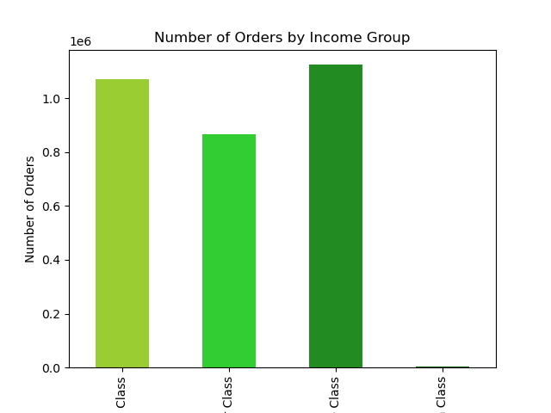
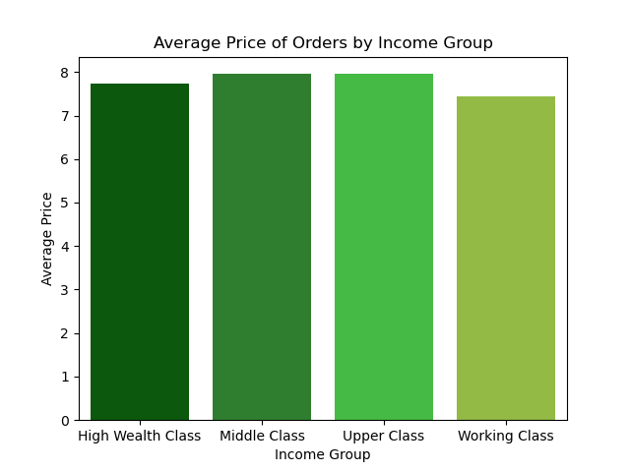
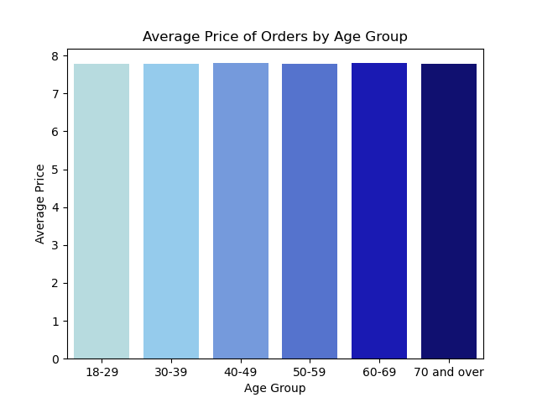
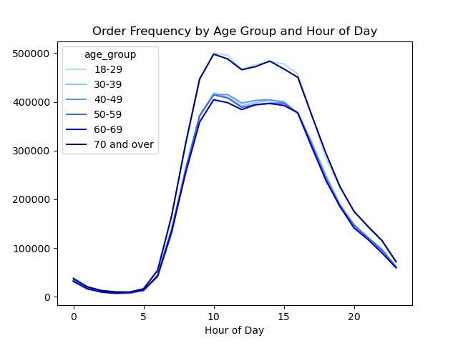
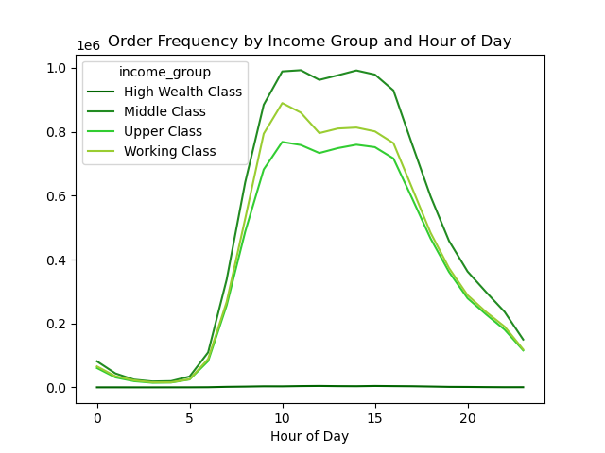
 |  |  | Title page

Visualisations

In this tab you should include all the visualtions from Exercises 4.9 and 4.10, alongside the questions from the project brief that they answer. Include any commentary on the relationship between different variables.

1. What are the busiest days of the week and hours of the day for orders?
Busiest days of week: Saturday and Sunday
Busiest hours of day: 10:00 - 16:00
Monday experiences 64% more orders than Friday
There are 5087% more orders at 10am than 4am
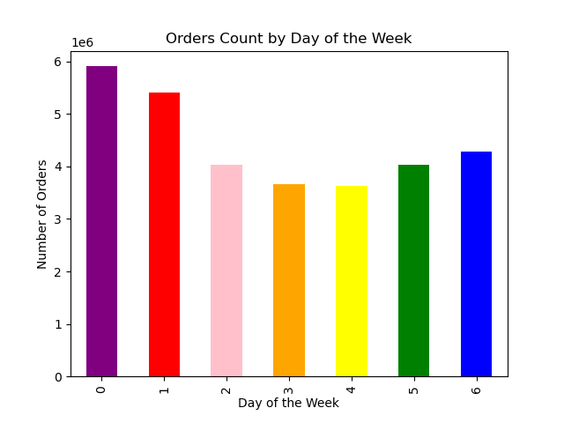


2. Are there particular times of the day when people spend more money?
The hours from 3am to 7am see the highest expenditure, but there is generally a negligible price variation, with just a 1% contrast between 3am and 10am.

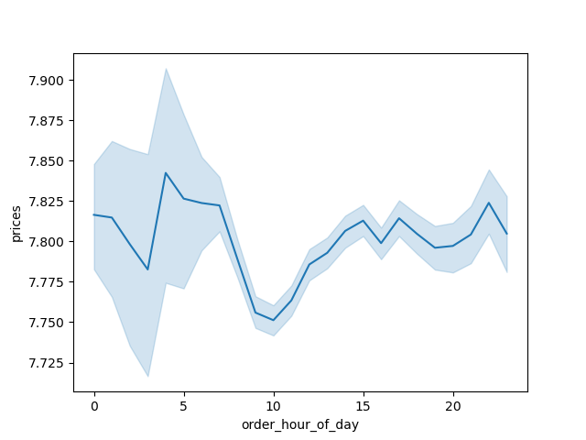

3. Is there a way to implement simplified groupings of products by price?
Products can be assigned into groups based on their price relative to predetermined pricing groups.
The groupings used, as well as the summary statistics for prices are defined below.

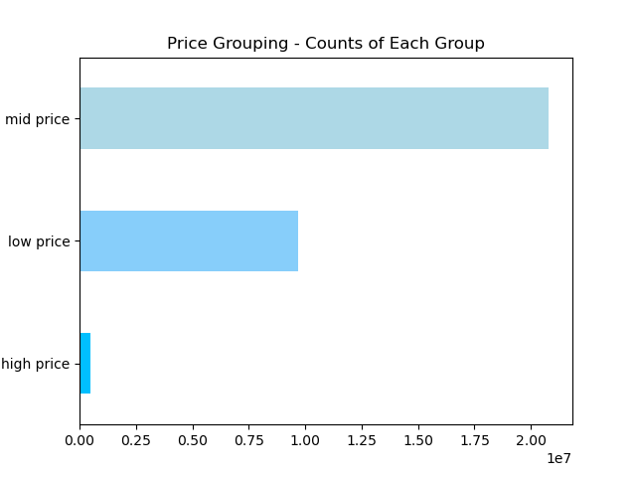
 | Price Groups | % Total
 | low price: <= $5 | 67%
 | mid price: > $5 - < $15 | 31%
 | high price: >= $15 | 2%

 | Prices Summary Stats
 | min: 1
 | mean: 7.8
 | max: 25

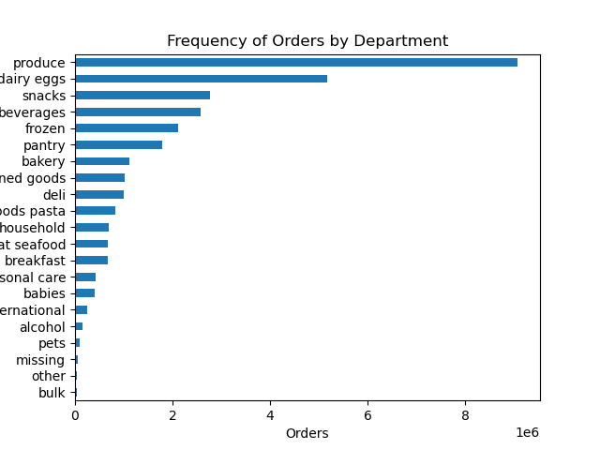
4. Are certain types of products more popular than others/which departments have the highest frequency of orders?
The 'Produce' department receives orders 75% more often than the department with the next highest order frequency, which is 'Dairy Eggs.'

5. What's the distribution among users in their brand loyalty/how often do they return to instacart?
Loyalty Group Distribution: Regular customer 51% Loyal customer 33% New customer 16%
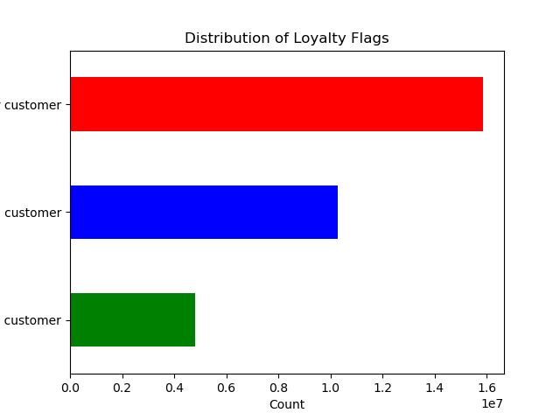

6. Are there differences in ordering habits based on a customer's loyalty status?
Loyal' and 'Regular' customers spend a higher amount on average at the beginning of the week. 'Loyal' customers in particular experience the most dramatic reduction in spend from early morning to mid-day.

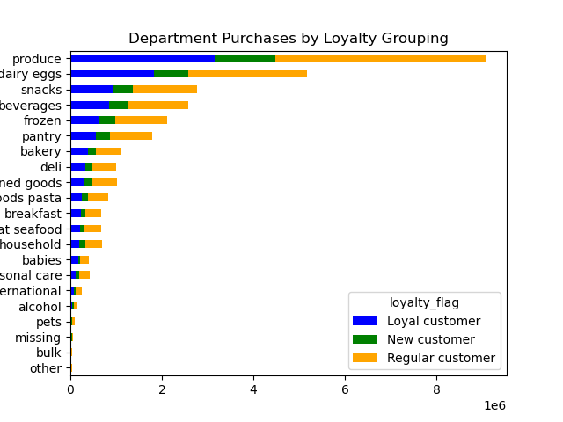
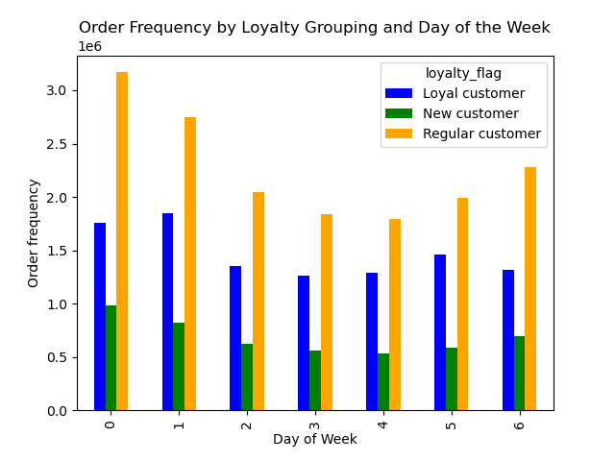
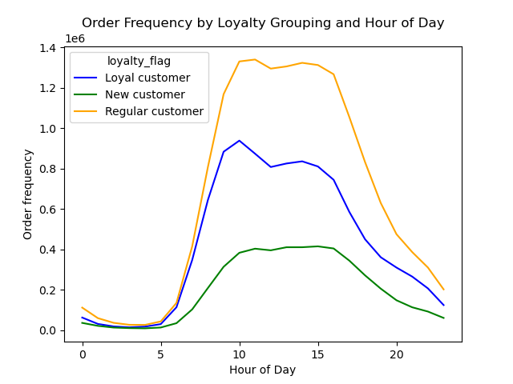

7. Are there differences in ordering habits based on a customer's region?
The 'South' experiences the largest variation in average price spend over the course of a week.
The 'West' has the largest variation in average price over the course of a day.
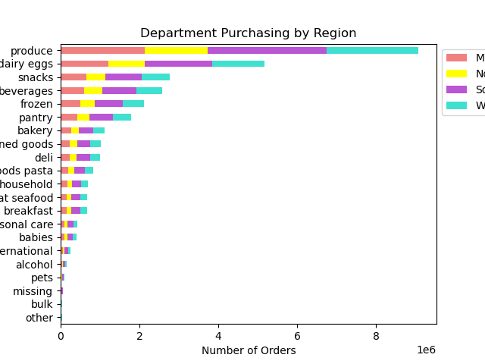
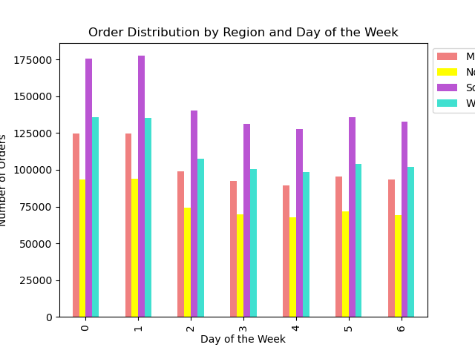
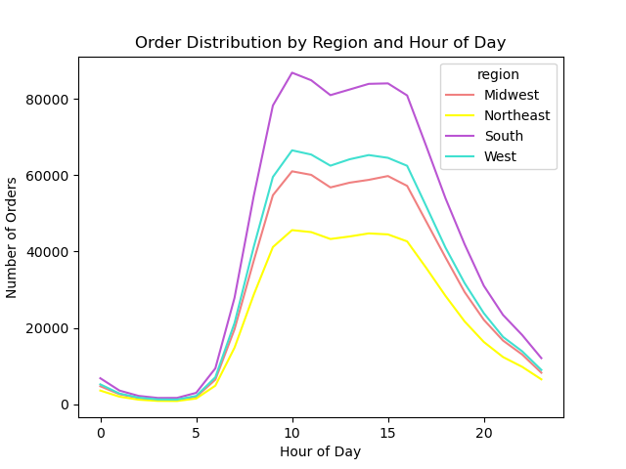

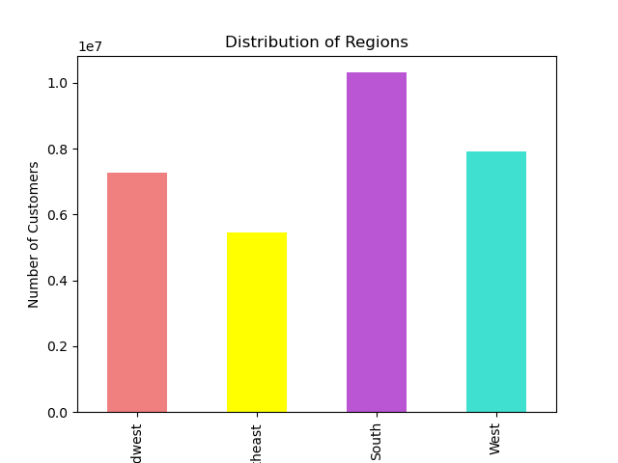
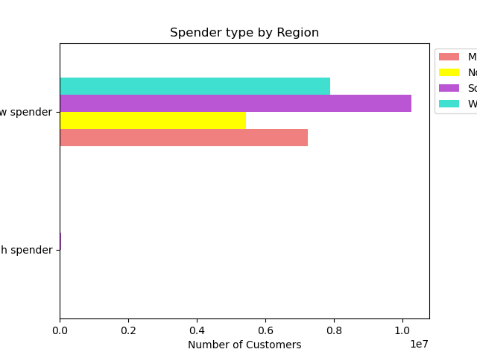

8. Is there a connection between age and familty status in terms of ordering habits?
Youngest and oldest customers are the highest ordering age groups, but married customers make up the majority of the mid-range age groups and represent the highest ordering family status group.
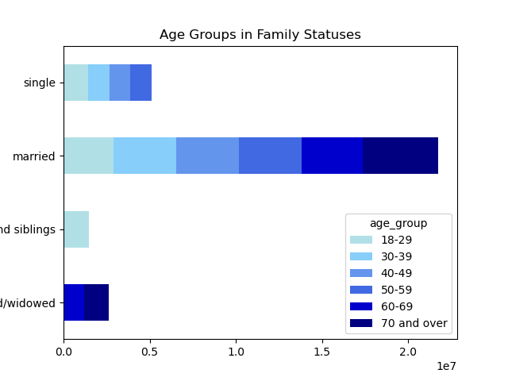
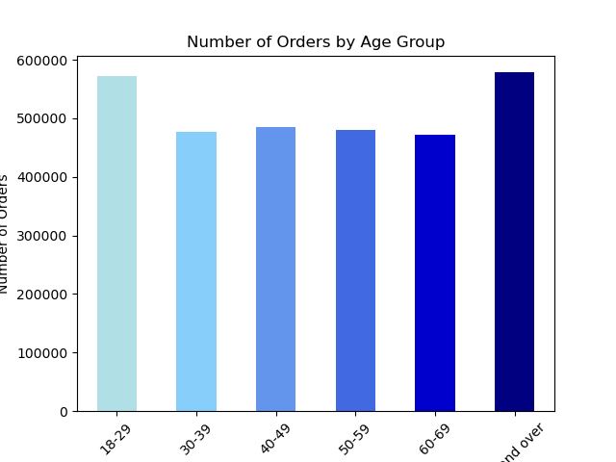
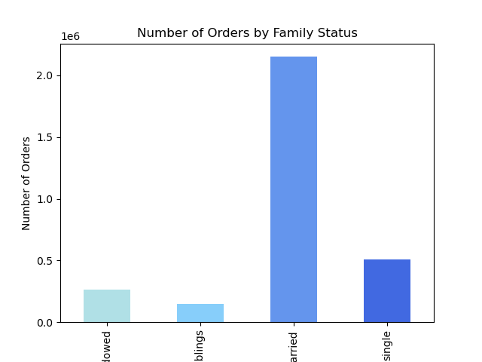

Ordering patterns over the course of a week and by department remain consistent with overall trends in both age and family status groupings.
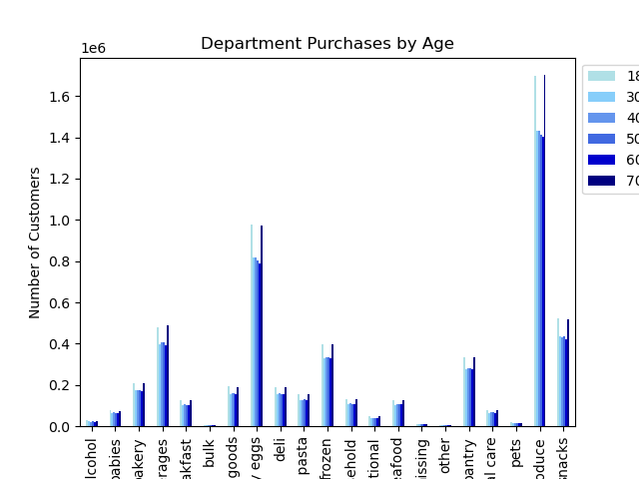
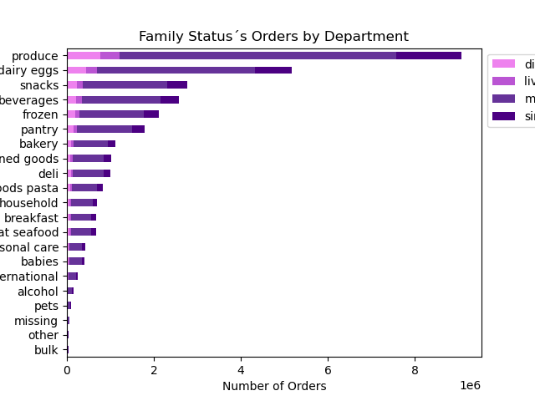

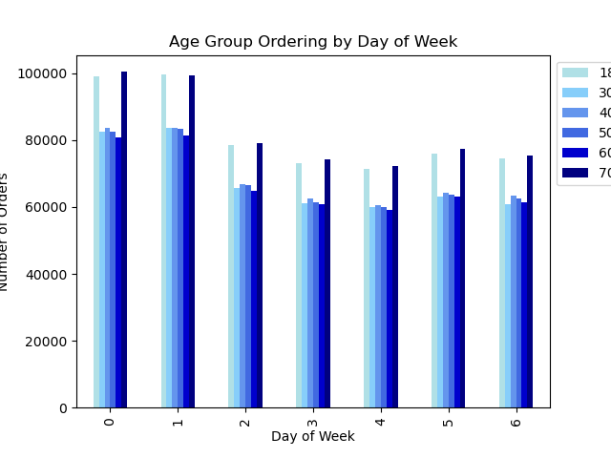
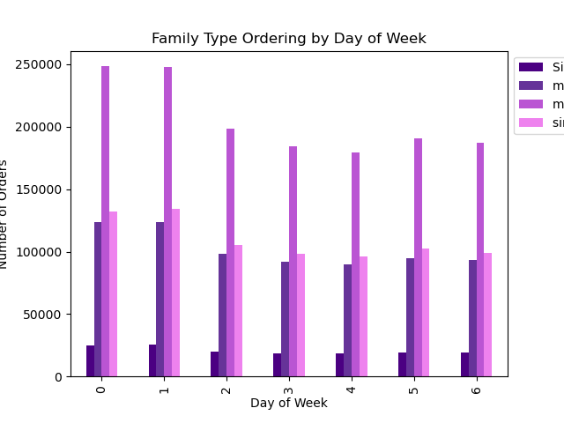

9. What different classifications does the demographic information suggest? Age/income/types of goods/family status
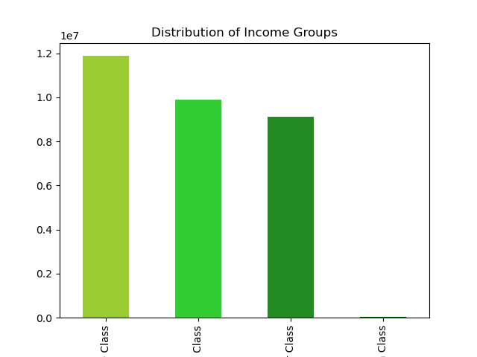
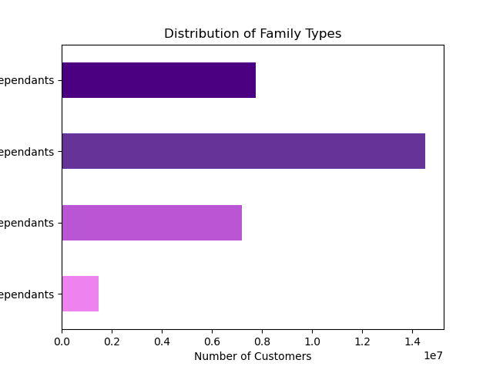
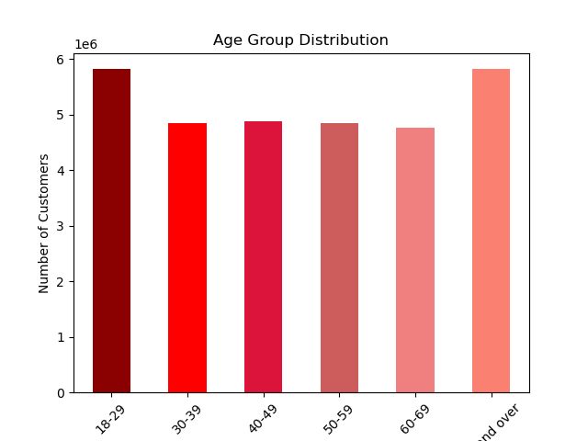

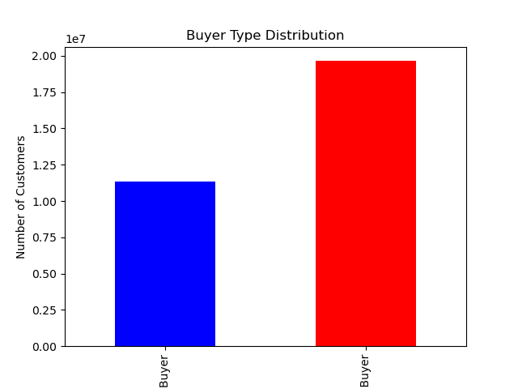
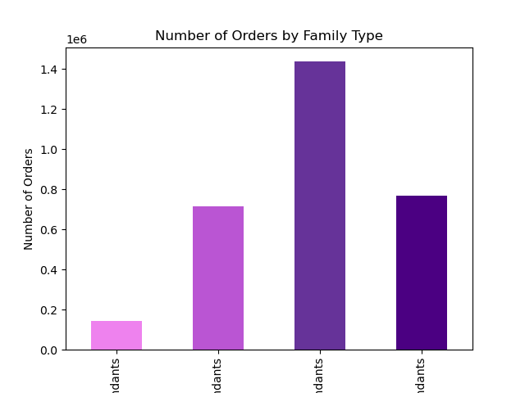
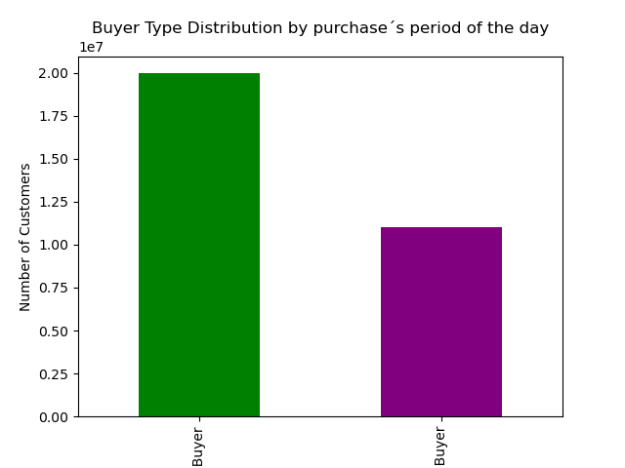

10. What differences are there in the ordering habits of different customer profiles? Price of orders/frequency/products ordered
Price of Order Observations:
The average price of orders across family status groups is very consistent despite 'married' customers making up the large majority of this demographic grouping's distribution
Despite being the highest earning income grouping, 'High Wealth' customers spend 3% less than 'Middle' earning customers per order

7. Recommendations
 |  |  | Title page

Recommendations

In this tab you should include any recommendations you would made to Instcart in terms of their marketing strategy based on the questions posed in the brief. Every key question has been covered in the Tasks of the Exercises - here you need to add an item - a visualisation or table/crosstable that is showing the answer in the data, acompanied by a comment from you. Please, list the questions below and add the answer underneath.

Question | Answer
Key Question 1 | *Schedule a heavier add load Monday - Friday, to run at hours outside of 9am-4pm *Consider running specials for orders placed on weekdays, or for orders placed earlier than 9am
Key Question 2 | * Run specials or provide discounts for orders placed on weekdays, or for orders placed earlier than 9am *Needs further investigation: What are the most expensive items be purchased between 3 and 7am What are the most expensive items be purchased between 9am and 4pm
Key Question 3 | Price Groups: low price: <= $5 mid price: > $5 - < $19 high price: >= $20 | % of Total: 31% 68% 1%
Key Question 4 | * Target ads and offer specials for departments such as 'pets' or 'babies' that most likely appeal to a relatively smaller subset of the overall customer base. The goal of these actions would be to increase brand awareness and loyalty amount customers that utilize these particular departments and generate more orders, and ultimately more customers through advertising or word of mouth from existing customers.
Key Question 5 | * New customers are the least likely to frequently use Instacart. * Convert 'Regular' customers to 'Loyal Customers', as currently 51% of customers are 'Regular' customers but 'Loyal Customers' order frequently. * Needs further investigation: How can 'Regular' customers be converted to 'Loyal Customers'? What factors correlate with a customer's transition from a 'New Customer' to a 'Loyal Customer' over time.
Key Question 6 | *Offer 'loyalty rewards' to customers that are 'Loyal' customers. *Target any discounts or coupons offered as a part of the rewards to be effective from 10am to 1pm, in order to boost loyal customers' order prices during their lowest points during the day. *Additionally, coupons or discounts could be effective on weekdays only, days on which loyal customers have the lowest order prices.
Key Question 7 | *Directing marketing efforts towards married customers ages 30 - 59 would be an optimal way to target a large majority of Instacart's customers. *Having additional marketing efforts that target single people ages 18 - 29 and 60 - 80+ would allow Instacart to reach a majority of customers not targeted by marketing geared towards married customers ages 30 - 59. * Invest in further datamining and analysis to target even more specific subgroups of customers * Market heavily towards 'Middle' income customers

